Definitions
Definitions and Comments on 2020 Consolidated Nestlé Environmental Performance Indicators

General Comments
Environmental performance indicators cover all Nestlé factories (operational control) except some of the factories acquired after 2018 and non-consumer Nestlé Waters Business factories. It includes data from factories closed or sold during 2020. Data is presented for the years 2020, 2019 and 2010. References in brackets refer to the G4 GRI guidelines on sustainability reporting.
Total Production Volume
The total of all products produced at a Nestlé factory, based on net weight (i.e. without packaging). Non-consumer Nestlé Waters Business factories are excluded.
Aspect: MATERIALS

Raw materials used (G4-EN1)
The total of all input resources used (i.e. natural resources used for conversion to products or services such as milk, plants, crops, etc.) to manufacture a product, including manufacturing losses, but excluding packaging material and water withdrawal, which are separate indicators. Over the last 10 years, raw materials used increased slower than production volume. Influencing factors are an increased manufacturing efficiency and changes in product mix.
Materials for packaging purposes (G4-EN1)
The total of all packaging materials used for the production and in the distribution of products. The indicator includes all packaging with recycled content, bottles, cans, big bags, cartons, etc., and includes reusable packaging. The data is extracted from a dedicated packaging tracking tool developed by our packaging department.
Renewable packaging materials (G4-EN1)
The data is extracted from a dedicated packaging tracking tool developed by our packaging department.
Total percentage of recycled material in our packaging (G4-EN2)
The data is extracted from a dedicated packaging tracking tool developed by our packaging department.

Aspect: ENERGY

Total on-site energy consumption
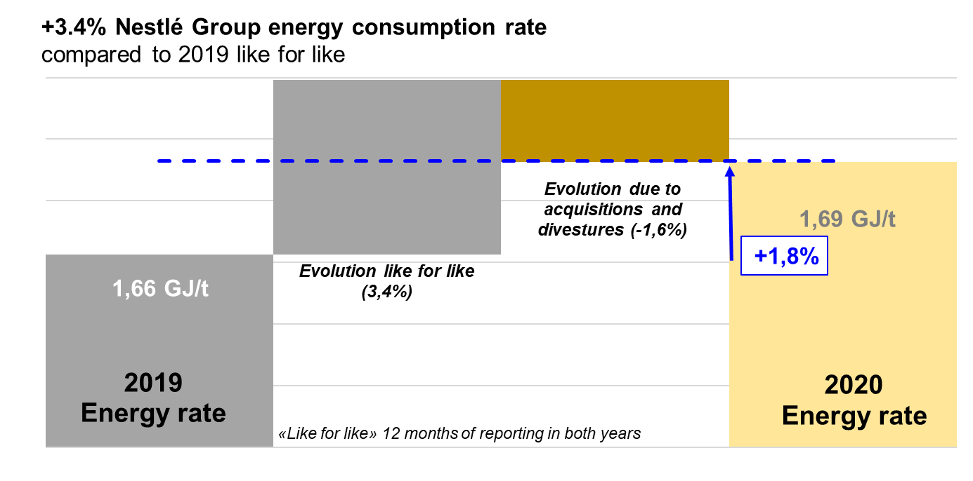 The sum of all energy consumed in Nestlé factories, whether purchased or produced – less any energy that, in some cases, is sold. This includes total direct energy consumption (G4-EN3) and total intermediate energy consumption (G4-EN3).
.
The types of energy included in these reductions are electricity, heat, steam and a range of fuels (primarily natural gas, coal and oil). Renewable energy accounts for 22.8% of the total energy consumption of Nestlé factories; this includes. spent coffee ground consumption, wood consumption and purchase of electrical energy generated from renewable sources. An estimated 50.2% of our purchased electricity comes from tracked renewable sources.
Total direct energy consumption (G4-EN3)
The sum of all on-site generated energy consumed by Nestlé factories. It is composed of direct non-renewable energy consumption where the energy is produced from fossil fuels (coal, natural gas and oil) and direct renewable energy consumption where the energy is produced from biomass (e.g. spent coffee grounds, wood) and marginally from solar panels. This information is used to calculate direct greenhouse gas emissions.
Total intermediate energy consumption (G4-EN3)
The sum of all energy consumed by Nestlé factories and purchased from a third party. This includes mainly electricity purchased, steam and minor amounts of heating.

Total indirect energy consumption (G4-EN3)
The energy required to produce and deliver purchased electricity and any other intermediate energy products (such as district heat) that involve significant energy consumption upstream from our reporting boundaries. Data from the energy supplier or country default values are used to calculate this indicator.
Aspect: WATER

Total water withdrawal by source (G4-EN8)
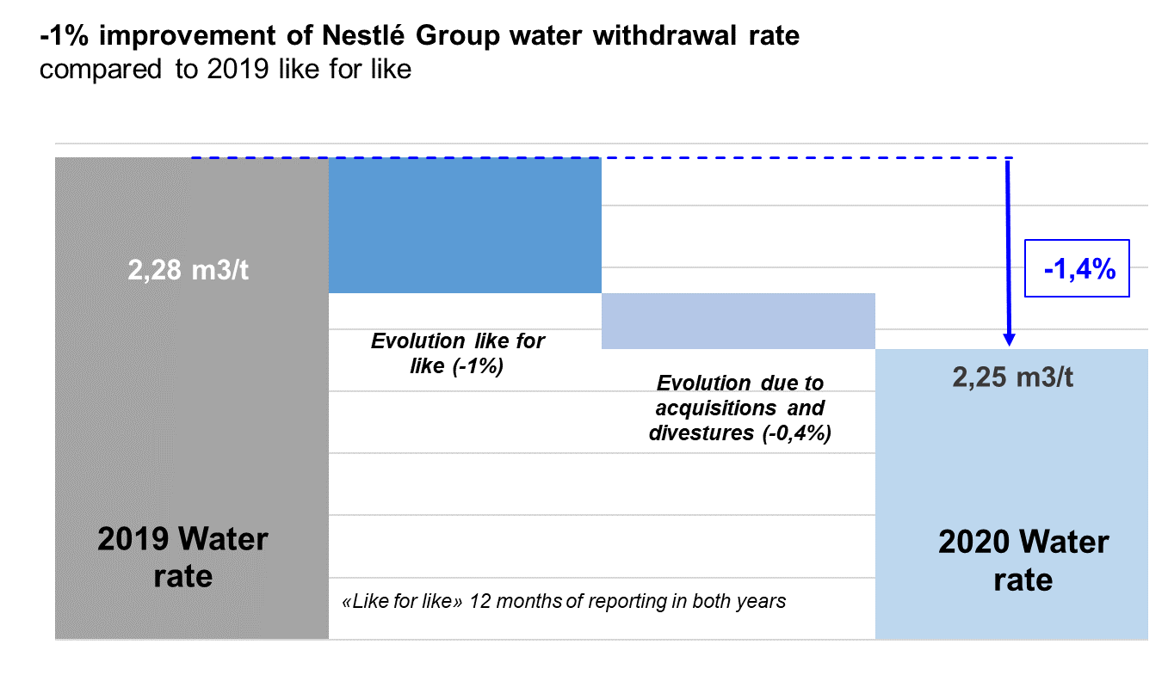 The sum of water used by Nestlé factories from all sources, including purchases from suppliers as well as surface, ground and rain water sources. This includes water that may be treated through industrial services (such as softening and demineralising), non-contact cooling water, water used for cleaning and water used by itself as a raw material (e.g. for bottled waters) but does not include water contained in raw materials (e.g. from milk). The improvements from 2020 were mostly delivered on a like for like basis; acquisitions and divestitures had a minor influence:

Reporting the total volume of water withdrawn by source contributes to an understanding of the overall scale of potential impacts and risks associated with the reporting organization’s water use. The total water withdrawal comes from various sources: • Surface water: is described as water present on the earth's surface: streams, lakes, and ponds. Includes water from shallow bores that are fed from streams, lakes, and ponds. • Ground water: is described as water within the earth that supplies wells and springs; water in the zone of saturation where all openings in rocks and soil are filled, the upper surface of which forms the water table. It is normally recovered using beep bore pumps. • Municipal water: is described as treated potable water normally provided by third parties such as municipalities, councils, water authorities, etc. • Rain water: can be untreated and used for irrigation, road cleaning etc., or can be treated and used in production. It represents a minor amount (<0.05%).
Once through cooling water from surface sources
Cooling water usage is the water used solely for once-through cooling purposes. The water source (e.g. rivers, lakes, etc.) passes through the cooling process (spray condensers, shell and tube heat exchangers, etc.) and then returns to the environment (lakes and rivers) without any significant quality alteration.
Water recycled and reused
The volume of recycled/reused water is mainly based on the water discharged to irrigation (including on site).

Aspect: EMISSIONS, EFFLUENTS and WASTE

Direct greenhouse gas emission (G4-EN15, G4-EN16)
The sum of all on-site greenhouse gas emissions at Nestlé factories which arise from combustion processes used to manufacture products as well as the CO2 equivalents from refrigerants losses. These greenhouse gas emissions can result from burning of fuels in boilers, roasters, dryers, from electric generators and from refrigerants losses (CO2 eq). This indicator corresponds to Scope 1 of the WRI/WBCSD GHG Protocol. Gases included in the calculation are CO2, CH4, N2O, HFCs, PFCs, SF6 and NF3.
Indirect greenhouse gas emission (G4-EN15, G4-EN16)
Greenhouse gas emissions arising from the generation of electricity, hot water and steam which is purchased by Nestlé or otherwise brought into our organizational boundaries. The emissions physically occur at the facility where the electricity, hot water or steam are generated. Publicly available country-specific default factors or supplier-specific factors when available are used to calculate this from the purchased energy quantities. This indicator corresponds to Scope 2 of the WRI/WBCSD GHG Protocol. Gases included in the calculation are CO2, CH4, N2O, HFCs, PFCs, SF6 and NF3.
Direct and indirect greenhouse gas emission (G4-EN15, G4-EN16)
The sum of scope 1 and scope 2 greenhouse gas absolute emissions decreased by 6.3% compared to 2020, and the greenhouse gas emissions rate per tonne of product by 3.6%, mostly on a like for like basis:
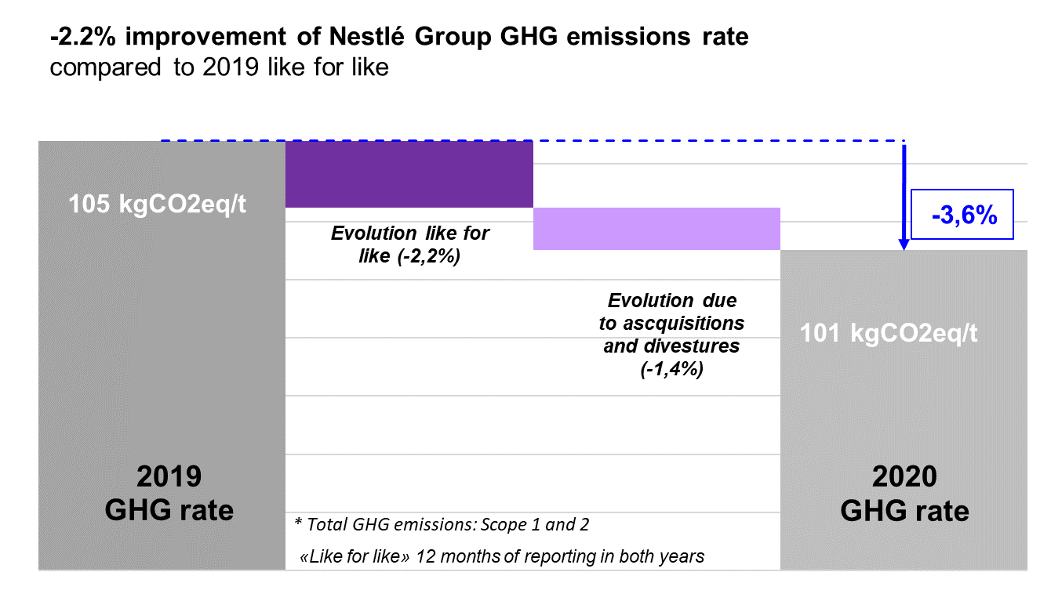
Emissions of ozone-depleting substances (G4-EN20)
The sum of substances emitted from Nestlé factories which have ozone depletion potential. The common unit of measurement is R-11 equivalents. R-11 is one type of refrigerant, which has been assigned an ozone depleting potential of one, with all other ozone depleting substances being assigned relative values. The ozone depletion potential of each substance is determined using conversion factors commonly agreed by relevant authorities. These substances are primarily refrigerants in equipment used to cool or freeze products.
Air acidifying substances (G4-EN21)
Air acidification resulting from NOx gas emissions account for 41% of the total air acidification potential whereas the remaining 59% are related to SOx gas emissions. In 2020 the absolute air acidifying substances emission decreased by 4.0% whereas the rate per tonne of product decreased by 1.2% compared to 2019. This is mainly due to the reduction of coal and oil consumption in our direct energy mix.
Total water discharge (G4-EN22)
The sum of all water effluents discharged from Nestlé factories. Water effluents are generated in manufacturing from processing, cleaning and some cooling processes and are discharged to subsurface waters, surface waters, sewers that lead to rivers, oceans, lakes, wetlands, treatment facilities and ground water.
Average quality of water discharge (G4-EN22)
The water quality is expressed by the quantity of Chemical Oxygen Demand (COD) per volume of water, commonly used to measure the amount of organic compounds in water. A decrease in COD represents improvement of water quality.
By-product (for recovery) (G4-EN23)
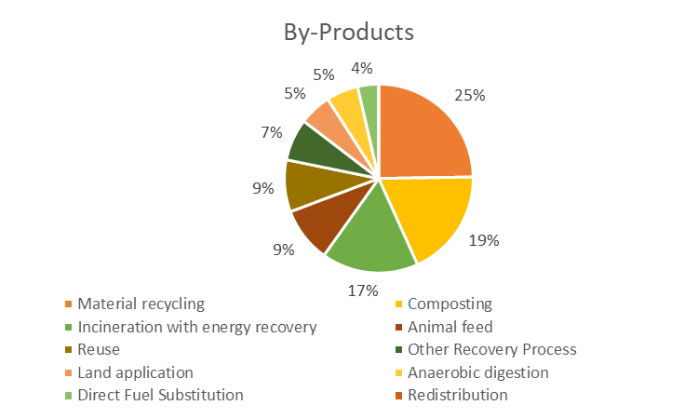 Any materials generated during the manufacture of a product that leave the factory and are destined for reuse or recovery, including recycling, composting and incineration with heat recovery. They are not limited just to the product manufacture; they also include all materials used to support the manufacture.
Waste for disposal (G4-EN23)
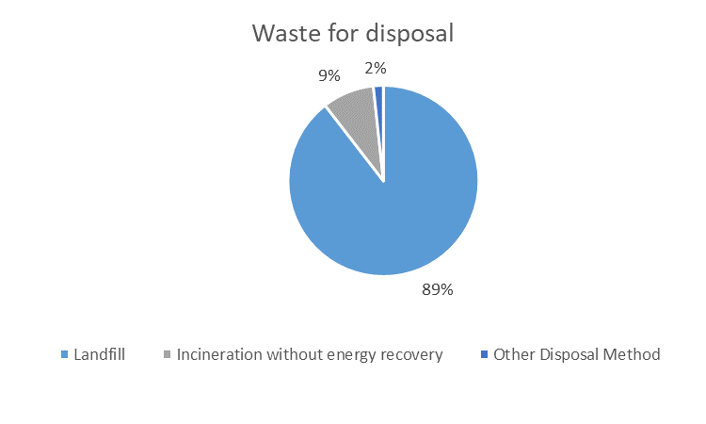 Any materials arising during the manufacture or distribution stage of a product at a factory that are destined for final disposal to offsite landfill or to incineration without heat recovery. Not included are extraordinary waste generated on a non-routine basis, such as construction and demolition waste, contaminated soils, and any materials sent to disposals as per legal obligation and over which we have no control. A site is Zero Waste for Disposal when a process is in place to ensure that all the material streams are sorted as necessary and have a traceable reuse or recovery destination.

Food waste
Food waste calculation includes any food waste and associated inedible parts diverted from the human food chain. All waste management destinations defined in the Food Loss and Waste Accounting Standard (FLW Standard) are included except animal feed and redistribution/donations. Included categories are food, sludge, mixed material and non-conforming goods and market returns. All waste within the Petcare and Nestlé Skin Health Category are excluded. Assumptions: - 100% of the organic material is food waste, as non-consumable organic material (leaves, gardening) is considered negligible. - 20% of sludge weight represents food waste and the remaining 80% is water (based on an internal survey conducted within our factories in 2017 and related to sludge analysis). During anaerobic/aerobic digestion, some food is consumed, but bacteria also generate waste and die; this is assumed negligible. - 23% of mixed material is food waste (based on Analysis of U.S. Food Waste Among Food Manufacturers, Retailers, and Wholesalers, Prepared for the Food Waste Reduction Alliance, BSR, April 2013). - The weight of packaging is excluded from the weight of non-conforming goods and market returns. This corresponds to 9%, using a proxy based on the weight of “materials for packaging purposes” normalized by the production volume weight.
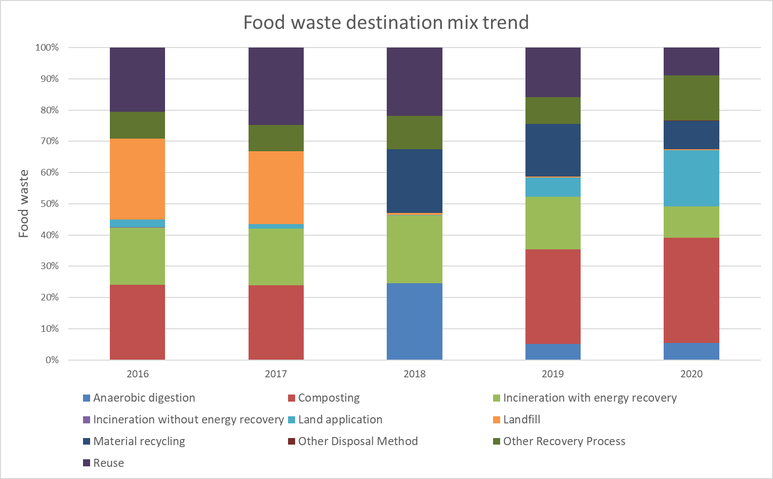
Significant spills (G4-EN23)
Significant spills are defined as any spills that are included in our financial statement as soon as it would represent contingent liabilities. Nestlé did not have any significant spills in 2020.
Aspect: COMPLIANCE

Total monetary value of fines (G4-EN29)
The total amount of environmental fines or penalties for breaches of environmental legislation and/or operating permits. It excludes all legal costs.

Aspect: ENVIRONMENTAL SUSTAINABILITY GOVERNANCE

ISO 14001 certified sites
By the end of 2020, 693 sites achieved ISO 14.001:2004 certification. The number of factories mainly represents sites that are part of the Nestlé Group for more than three years. Factories that are not certified are mainly recent acquisitions, which are currently working towards certification.

